Bug report 1
Bug ID: | 1
Bug name: | No confirmation for unsubscribing email address
Description: | When we click on "Remove me from the e-mail list" tab below profile picture in the "Profile" page, pops up a message "Are you sure you want to unsubscribe from our e-mail list", and there is two buttons below we can click on, "DISMISS" or "UNSUBSCRIBE". We chose to click on the "UNSUBSCRIBE" button and Sofascore "Home page" opens, there is no confiramation message that we unsubscribed successfully.
Steps to reproduce: | Open Google Chrome browser
 | Go to the following URL "https://www.sofascore.com/"
 | Click on "Profile" button
 | Click on "Sign in with Google acount" button
 | Click on "Remove me from the e-mail list" tab below profile picture
 | Click on "UNSUBSCRIBE" button
Expected result: | Confiramation message that we unsubscribed successfully pops up.
Actual result: | Sofascore "Home page" opens, there is no confiramation message that we unsubscribed successfully.
Screenshot:
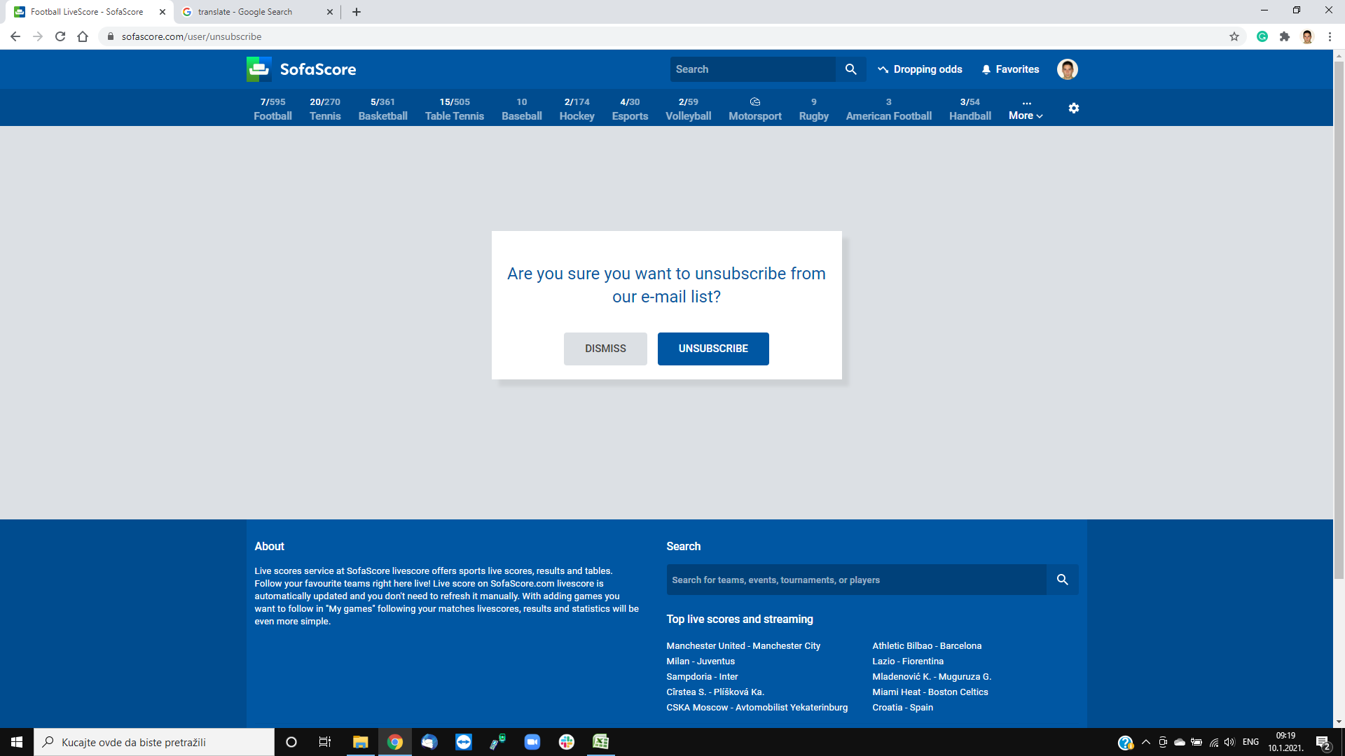
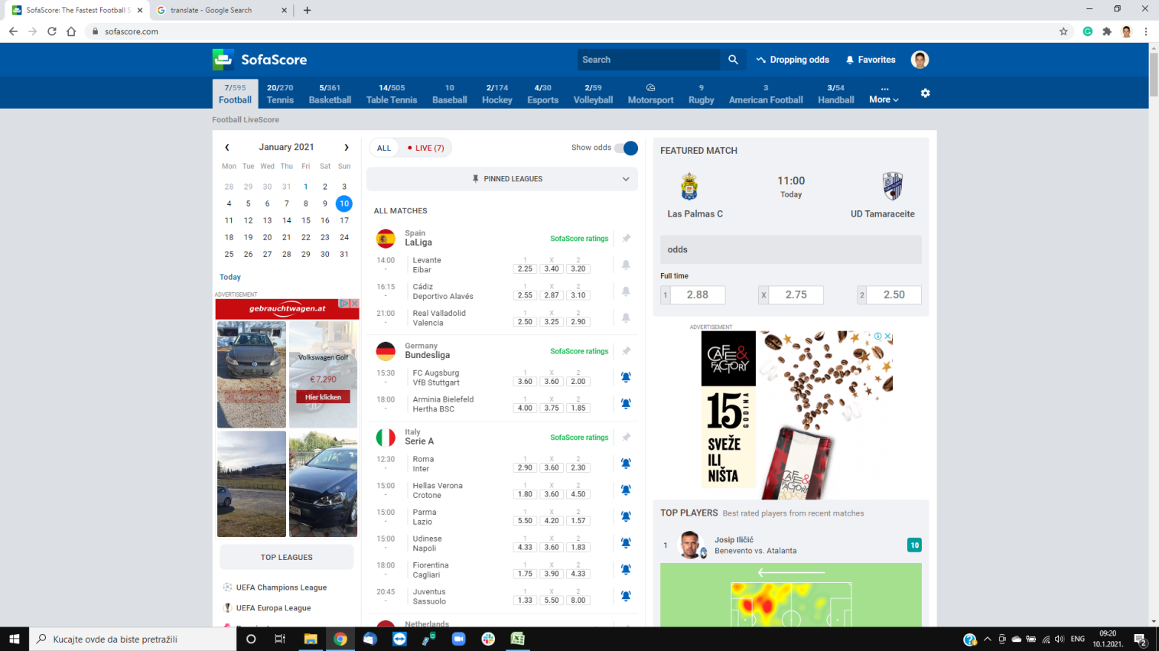

Assign to: | Dragoljub Boranijašević

Repro rate: | 100%

Priority: | Low

Severity: | Low

Reporter: | Marko Mioković

